Sample for Macro
Ticker | Dividend (Amt) | Nxt Earning dt | MacroTrend Revenue Link | 12 mo Revenue | 10yr Rev High | 10yr Rev Low | 10 Yr Rev High Dt | 10 Yr Rev Low Dt | 12mo Rev Growth | YoY Quarterly Rev Growth | Q/Q Rev Growth | MacroTrend Net Income Link | 12 mo Net Income | 10yr NI High | 10yr NI Low | 10 Yr NI High Dt | 10 Yr NI Low Dt | 12 mo NI Growth | YoY Quarterly NI Growth | Q/Q NI Growth | MacroTrend EPS Link | 12 mo EPS | 10yr EPS High | 10yr EPS Low | 10 Yr EPS High Dt | 10 Yr EPS Low Dt | 12 mo EPS Growth | YoY Quarterly EPS Growth | Q/Q EPS Growth | 10 Yr High P/S | 10 Yr Low P/S | 10 Yr High P/E | 10 Yr Low P/E | MacroTrend Mkt Cap Link | 10yr Mkt Cap High | 10yr Mkt Cap Low | 10Yr High Dt | 10Yr Low Dt | Revenue | Net Income | EPS | P/S | P/E | P/Book Value | Mkt Cap
INTC | $1.46 | 2022-07-28 | https://www.macrotrends.net/stocks/charts/INTC/intel/revenue | $77,704,000,000 | $79,024,000,000 | $52,325,000,000 | 2021-12-31 | 2013-06-30 | -0.01% | -6.71% | -10.60% | https://www.macrotrends.net/stocks/charts/INTC/intel/net-income | $24,620,000,000 | $24,620,000,000 | $9,463,000,000 | 2022-03-31 | 2013-09-30 | 32.37% | 141.39% | 75.49% | https://www.macrotrends.net/stocks/charts/INTC/intel/eps-earnings-per-share-diluted | $6.02 | $6.02 | $1.85 | 2022-03-31 | 2013-09-30 | 35.28% | 141.46% | 75.22% | 3.52 | 1.52 | 20.68 | 6.21 | https://www.macrotrends.net/stocks/charts/INTC/intel/market-cap | $292,090,000,000 | $97,750,000,000 | 2020-01-20 | 2012-11-26 | 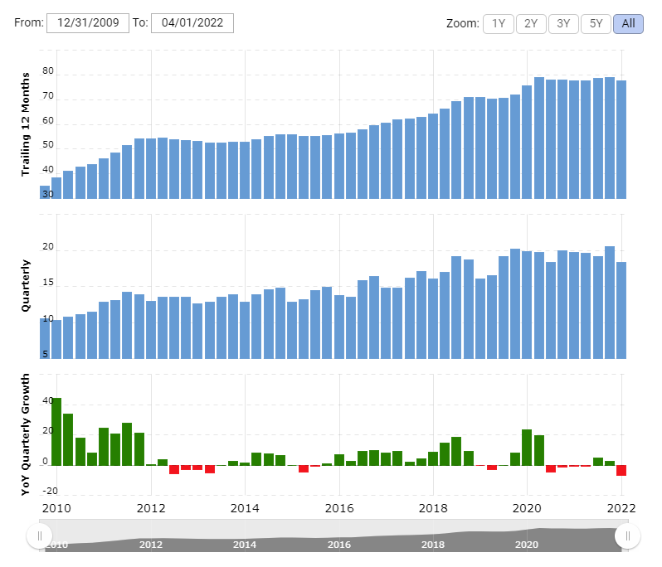 | 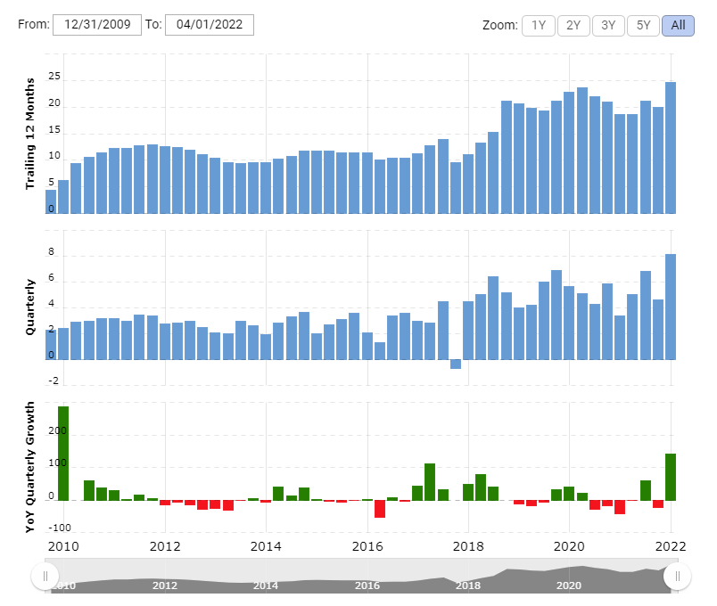 | 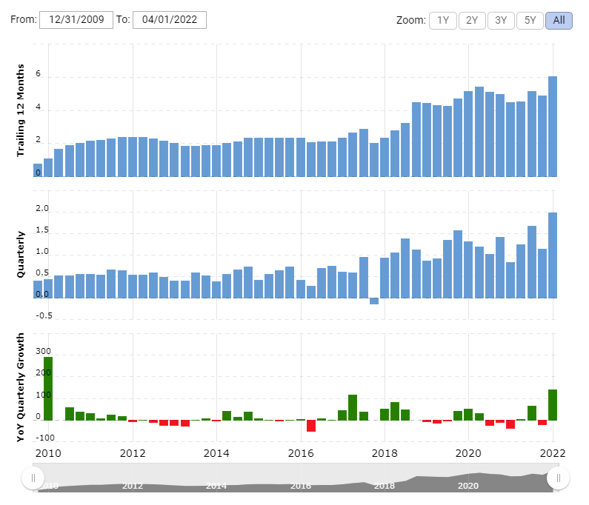 | 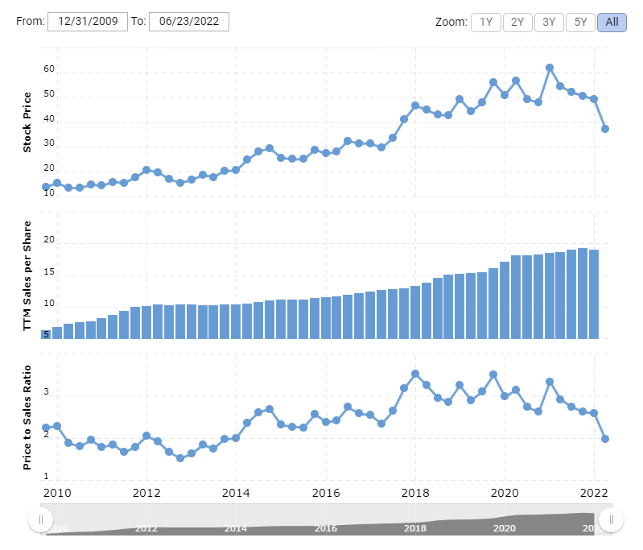 | 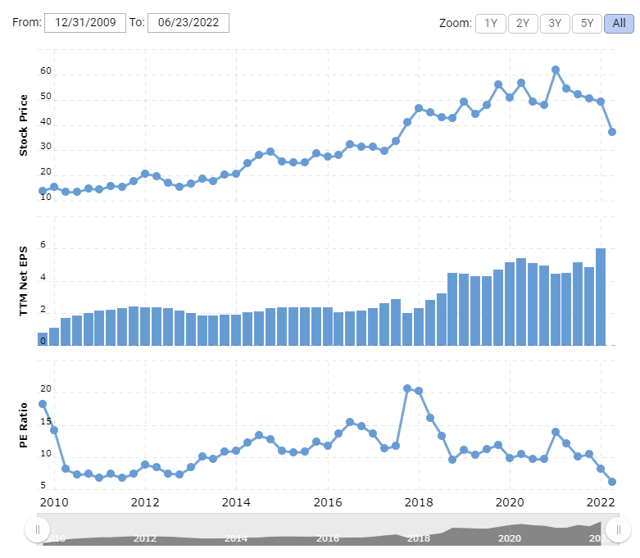 | 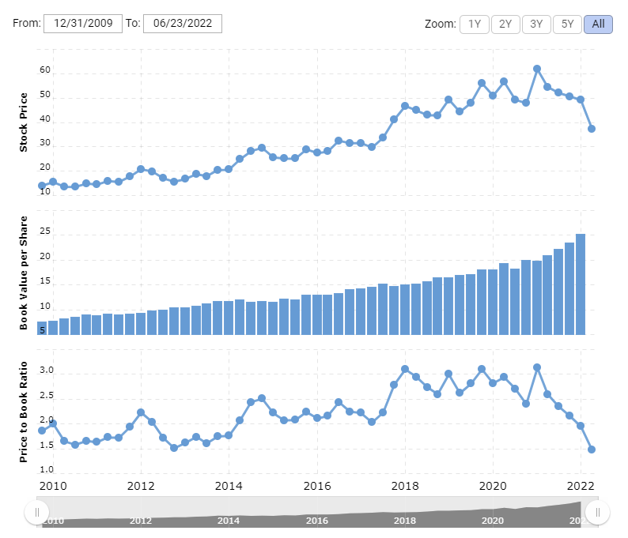 | 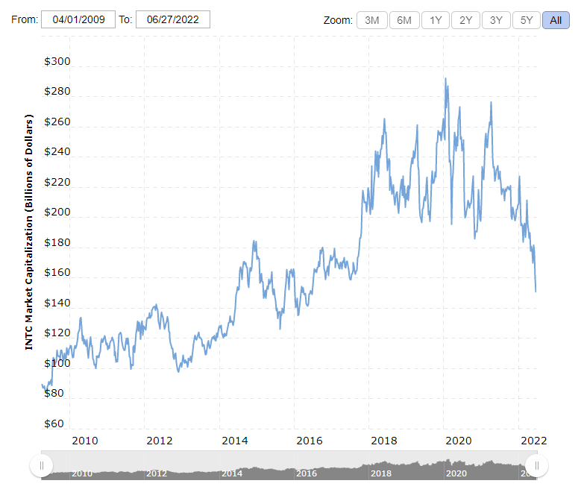
CAT | $4.44 | 2022-07-29 | https://www.macrotrends.net/stocks/charts/CAT/caterpillar/revenue | $52,673,000,000 | $67,043,000,000 | $38,537,000,000 | 2012-09-30 | 2016-12-31 | 22.50% | 14.32% | -1.51% | https://www.macrotrends.net/stocks/charts/CAT/caterpillar/net-income | $6,496,000,000 | $6,531,000,000 | $(146,000,000) | 2012-09-30 | 2017-03-31 | 89.06% | 0.46% | -27.50% | https://www.macrotrends.net/stocks/charts/CAT/caterpillar/eps-earnings-per-share-diluted | $11.92 | $11.92 | $(0.25) | 2022-03-31 | 2017-03-31 | 90.72% | 3.25% | -27.50% | 2.88 | 0.65 | 558.77 | 0 | https://www.macrotrends.net/stocks/charts/CAT/caterpillar/market-cap | $133,700,000,000 | $34,890,000,000 | 2021-05-31 | 2016-01-11 | 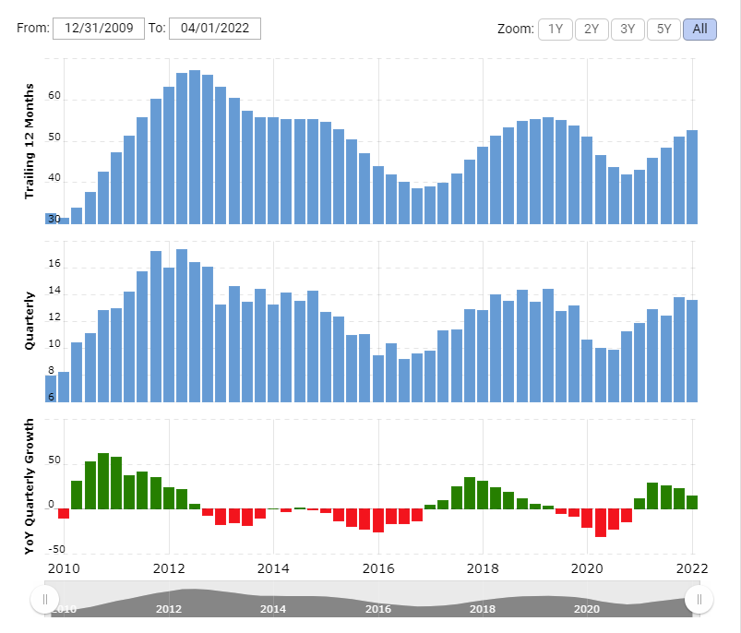 | 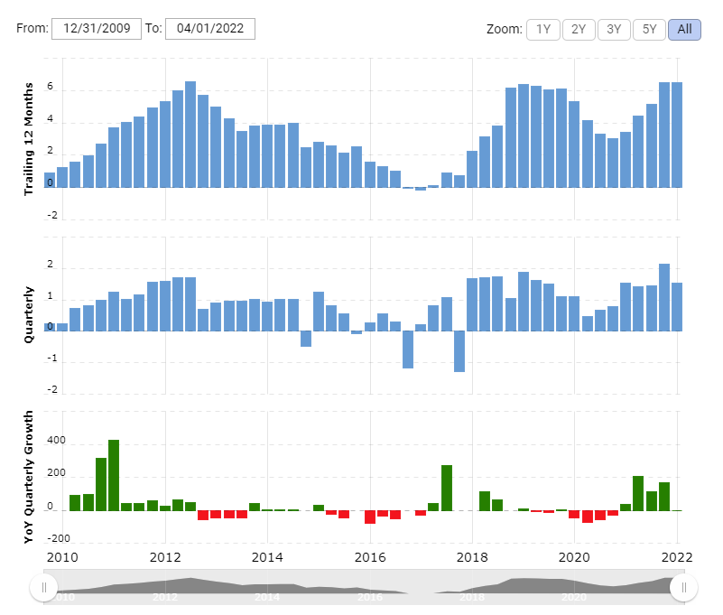 | 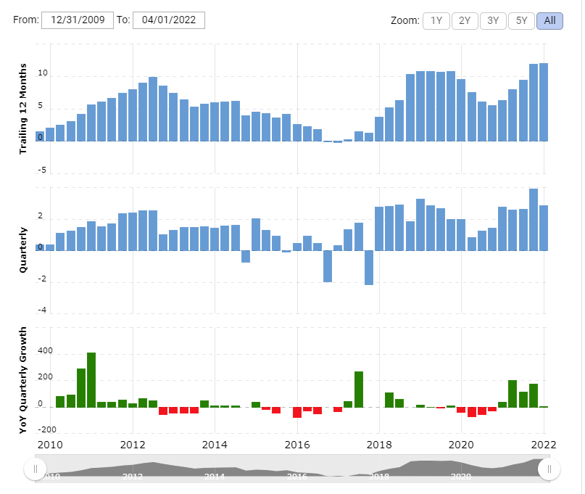 | 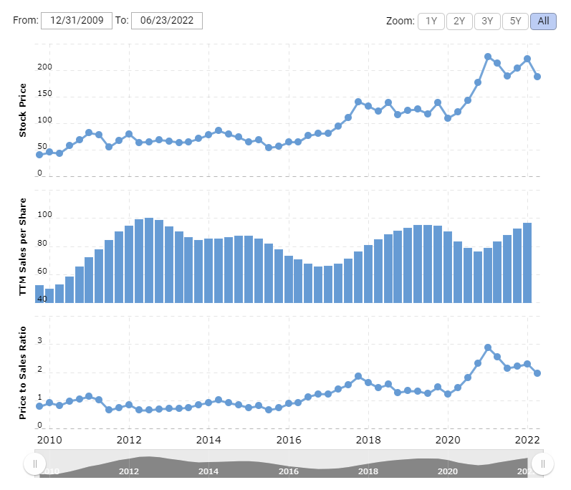 | 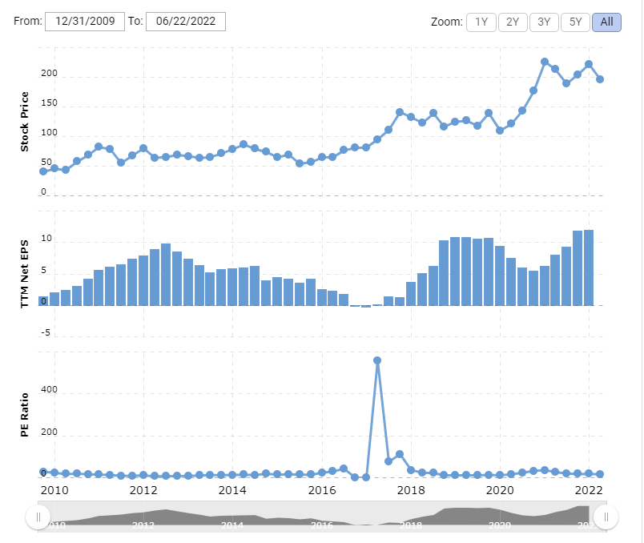 | 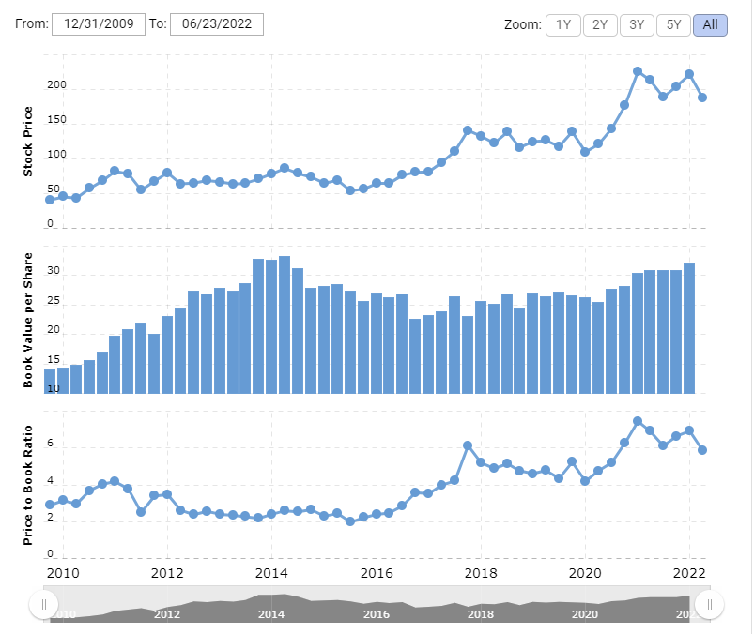 | 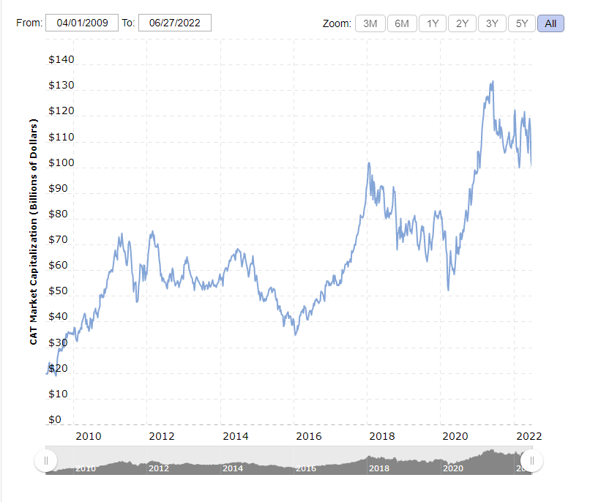
Data | https://www.marketbeat.com/stocks/NASDAQ/INTC/dividend/ | https://www.marketbeat.com/stocks/NASDAQ/INTC/earnings/ | https://www.macrotrends.net/stocks/charts/INTC/intel/revenue |  |  |  |  |  |  |  |  | https://www.macrotrends.net/stocks/charts/INTC/intel/net-income |  |  |  |  |  |  |  |  | https://www.macrotrends.net/stocks/charts/INTC/intel/eps-earnings-per-share-diluted |  |  |  |  |  |  |  |  | https://www.macrotrends.net/stocks/charts/INTC/intel/price-sales |  | https://www.macrotrends.net/stocks/charts/INTC/intel/pe-ratio |  | https://www.macrotrends.net/stocks/charts/INTC/intel/market-cap |  |  |  |  | https://www.macrotrends.net/stocks/charts/INTC/intel/revenue | https://www.macrotrends.net/stocks/charts/INTC/intel/net-income | https://www.macrotrends.net/stocks/charts/INTC/intel/eps-earnings-per-share-diluted | https://www.macrotrends.net/stocks/charts/INTC/intel/price-sales | https://www.macrotrends.net/stocks/charts/INTC/intel/pe-ratio | https://www.macrotrends.net/stocks/charts/INTC/intel/price-book | https://www.macrotrends.net/stocks/charts/INTC/intel/market-cap
Sources | https://www.marketbeat.com/stocks/NYSE/CAT/dividend/ | https://www.marketbeat.com/stocks/NYSE/CAT/ | https://www.macrotrends.net/stocks/charts/CAT/caterpillar/revenue |  |  |  |  |  |  |  |  | https://www.macrotrends.net/stocks/charts/CAT/caterpillar/net-income |  |  |  |  |  |  |  |  | https://www.macrotrends.net/stocks/charts/CAT/caterpillar/eps-earnings-per-share-diluted |  |  |  |  |  |  |  |  | https://www.macrotrends.net/stocks/charts/CAT/caterpillar/price-sales |  | https://www.macrotrends.net/stocks/charts/CAT/caterpillar/pe-ratio |  | https://www.macrotrends.net/stocks/charts/CAT/caterpillar/market-cap |  |  |  |  | https://www.macrotrends.net/stocks/charts/CAT/caterpillar/revenue | https://www.macrotrends.net/stocks/charts/CAT/caterpillar/net-income | https://www.macrotrends.net/stocks/charts/CAT/caterpillar/eps-earnings-per-share-diluted | https://www.macrotrends.net/stocks/charts/CAT/caterpillar/price-sales | https://www.macrotrends.net/stocks/charts/CAT/caterpillar/pe-ratio | https://www.macrotrends.net/stocks/charts/CAT/caterpillar/price-book | https://www.macrotrends.net/stocks/charts/CAT/caterpillar/market-cap

